Datailed Inquiry Information
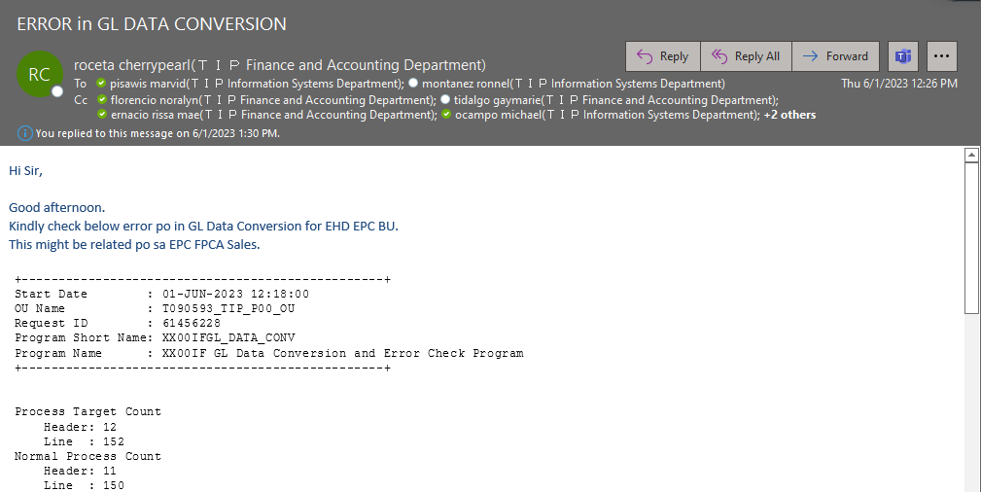
Detailed Inquiry Information

Detailed Investigation Result
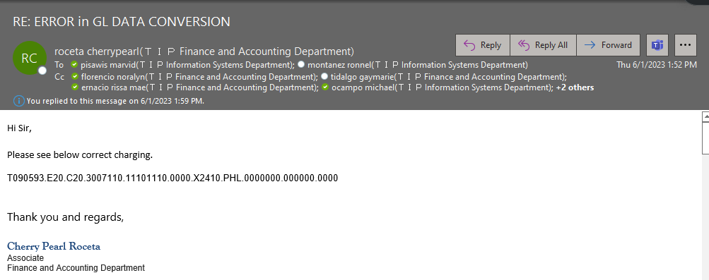
Detailed Investigation Result

 | SELECT *
 | FROM APPS.XX00IFGL_JOURNAL_STG_ALL
 | WHERE 1 = 1
 | and period_name = 'MAY-2023'
 | ORDER BY CREATION_DATE DESC ;

 | Error message in the transaction in staging table.

 | Upon checking the code combination indicated in the error message, we have discovered that the code combination is currently disabled

 | We have confirmed with the FIA team, and they have informed us that the code combination is indeed incorrect

Actual Operation Evidence
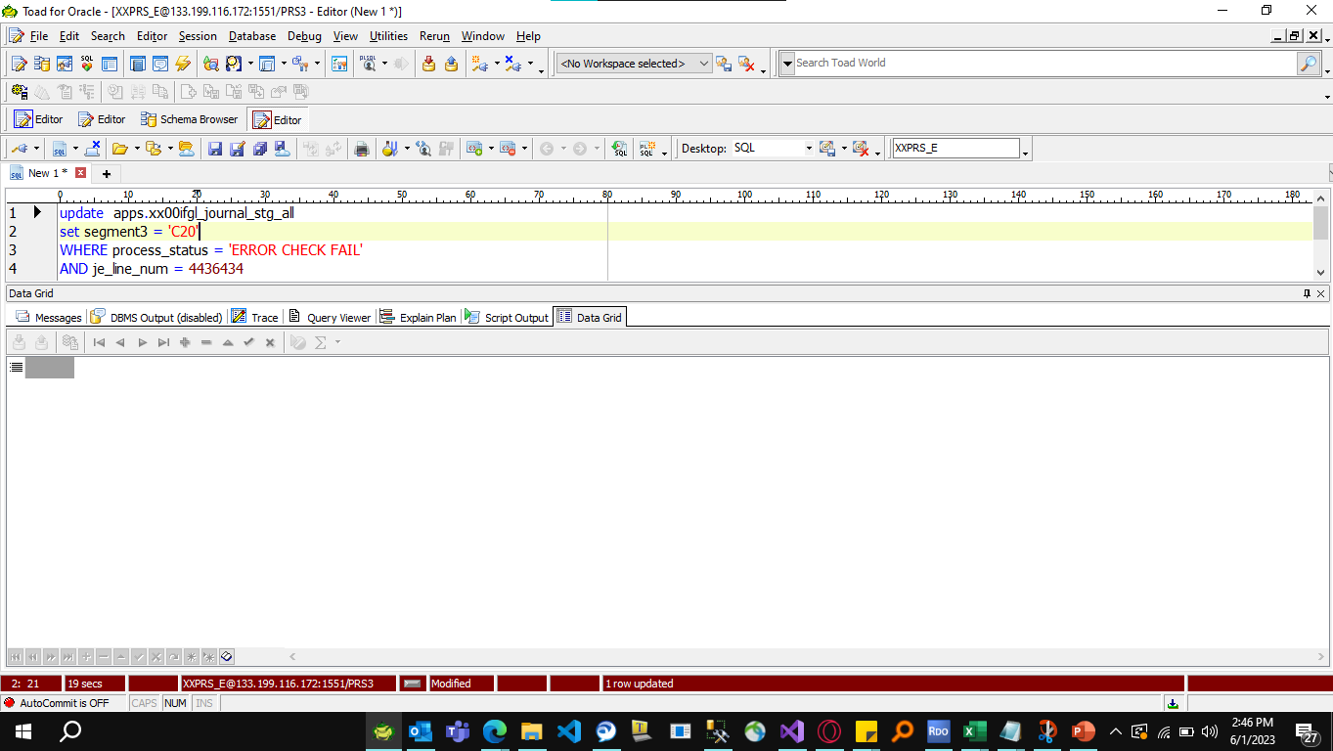
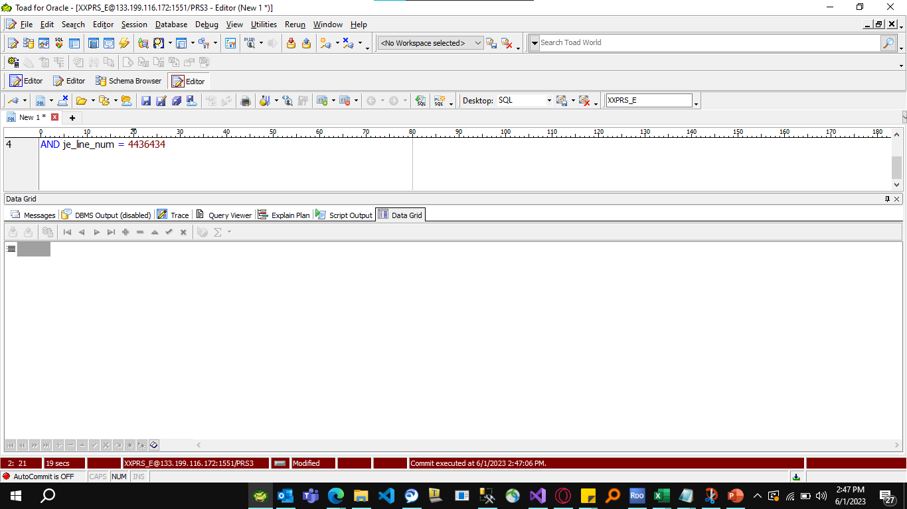
Actual Operation Evidence

Helpdesk Request
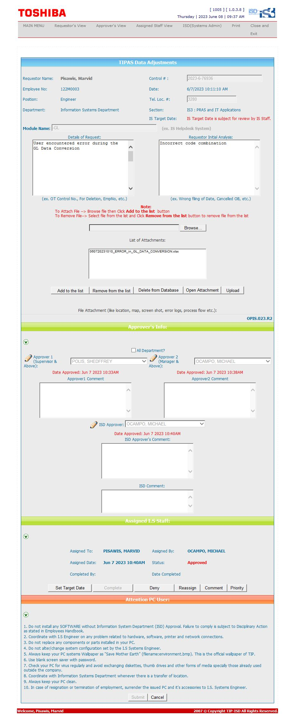
Helpdesk Request

